Introduction
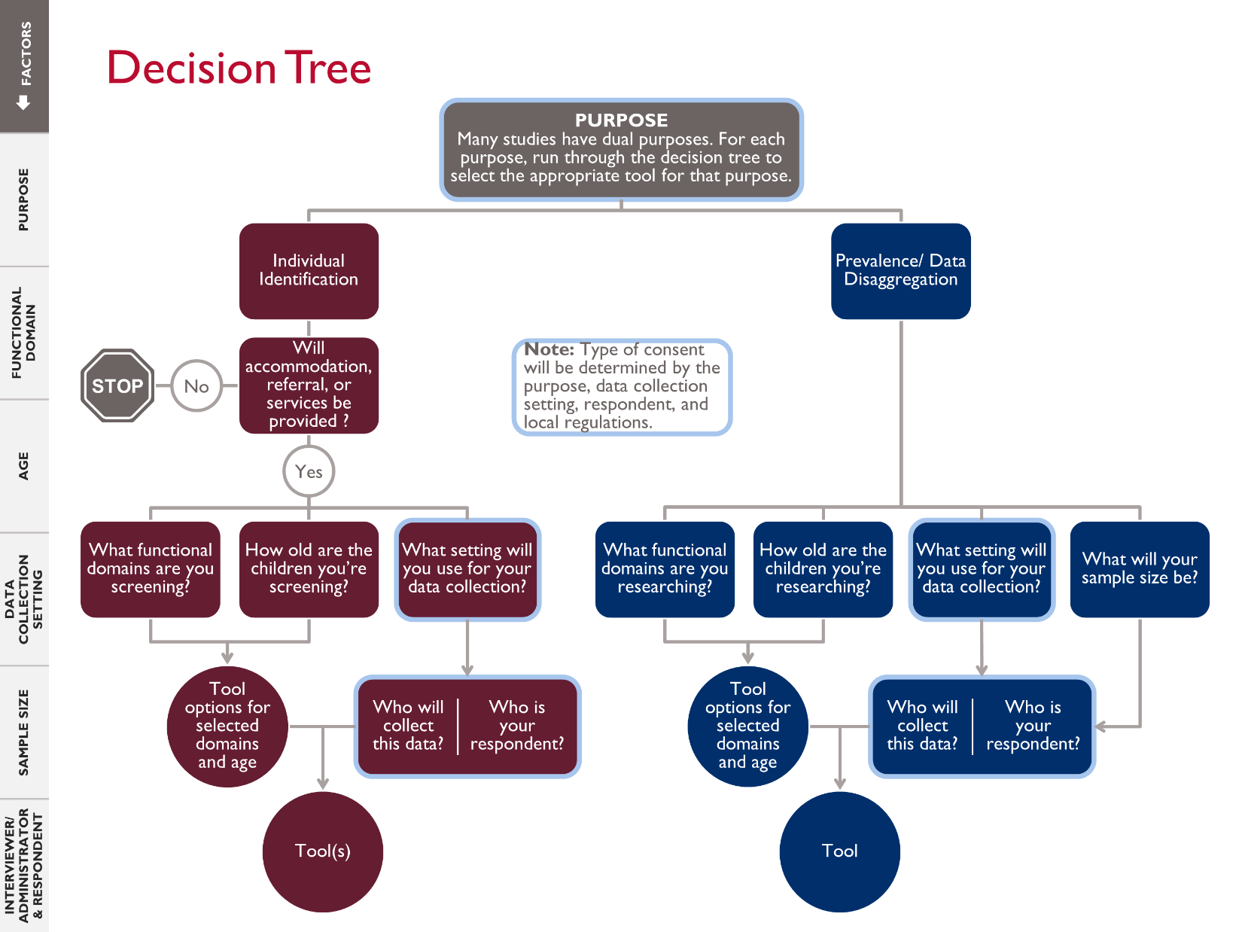
DISABILITY IDENTIFICATION TOOL SELECTION GUIDE: Introduction
Last updated: July 2020

PURPOSE

 | This Disability Identification Tool Selection Guide is intended to help you determine which data collection tool is most appropriate for collecting data on children with disabilities in your early grade education activities. This is not intended to guide your research design. Prior to using this guide, you will need to determine the key features of your design such as purpose, functional domains, age group, data collection setting, etc. In addition, important considerations such as consent, enumerator training needs, data dissemination, and reporting are not captured in this simple guide. The decision tree graphic to the right provides an overview of how to move through the interactive decision tree located on the next tab and notes questions you will be asked along the way.

INTENDED USER

 | This guide is intended for those who have a basic understanding of research design, data collection, the social model of disability, and Washington Group functional domains. Users should also be somewhat familiar with the different data collection tools that can be utilized to collect disability data. If you would like to use this tool but do not yet have this base knowledge, please explore the resources below.
 | USAID's How-To Note: Disability Inclusive Education
 | Washington Group on Disability Statistics Short Set of Disability Questions (WGSS)
 | UNICEF's Module on Child Functioning (CFM)

OUTCOMES

 | The interactive decision tree (tab 2) will direct you to one or more data collection tools if an appropriate tool exists. In some cases, the tool may not yet be validated for your specific context. The decision tree directs users down two main branches, or purposes. As guidance on individual screening tools has not yet been finalized, the individual identification branch is truncated and provides a place holder for yet to be determined individual screening tools. The prevalence/disaggregation branch considers the social model functioning questionnaires that are currently available. This is a living document that will be updated as more tools are identified, created, and validated. The currently available social model functioning questionnaires that are included in this decision tree are:
 | ● WGSS
 | ● CFM ages 2-4
 | ● CFM ages 5-17
 | ● CFM-Teacher Version (TV)

INSTRUCTIONS

 | To use this guide, please click on the decision tree tab below. A series of questions will appear in column C. Please answer all questions using the dropdown menus in column D. When you first begin, you will only see one question. Additional questions will appear as you work your way through the decision tree. If you are using the macro-enabled version of the guide, you can clear your answers at any time by hitting the "Clear All" button. If you are not using the macro-enabled version you can clear your answers by highlighting all the answers and pressing the "delete" or "backspace" key. Please note: The first question asks for your purpose for collecting data. If your study has dual purposes, you will need to go through the decision tree for each purpose in order to select the appropriate tool for that purpose.

